Sheet1
 |  | Document No. | Issue No. | Issue Date |  | Review and Replace Date |  |  | Authorised By
 |  | GFF009MC | 5 | 23.09.2018 |  | 11.07.2023 |  |  | Magda Shah
 |  | Document Title | BOOTHS - DELI-Lamb Samosa 1000g
Document amendments reason for change |  | Packaging changed (tray & flim)and put labels in high risk if they packed the product on GTR machine. |  |  | Page 1 of 1 |  | Previous Issue Date | 09.12.2021 | Uncontrolled copy unless signed original

CLSAC1-B25X1TEB | BOOTHS - DELI |  | LAMB SAMOSA (40g x 25)
STEP 1 |  |  |  |  | STEP 2
 |  |  |  |  | 

Tray: HW308/60 open ECO tray- (PKLEE001-09) |  |  |  |  | LAMB SAMOSA COCKTAIL (GFF005R): 40g
Film:K Peel RPSM 25µm (340mmX1000lm) -(PKKMP001-05)
STEP 3
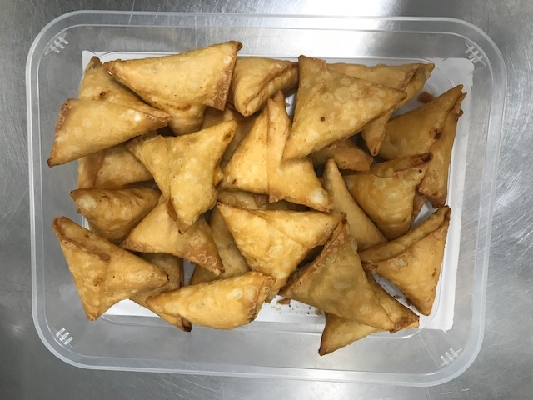 |  |  |  |  | 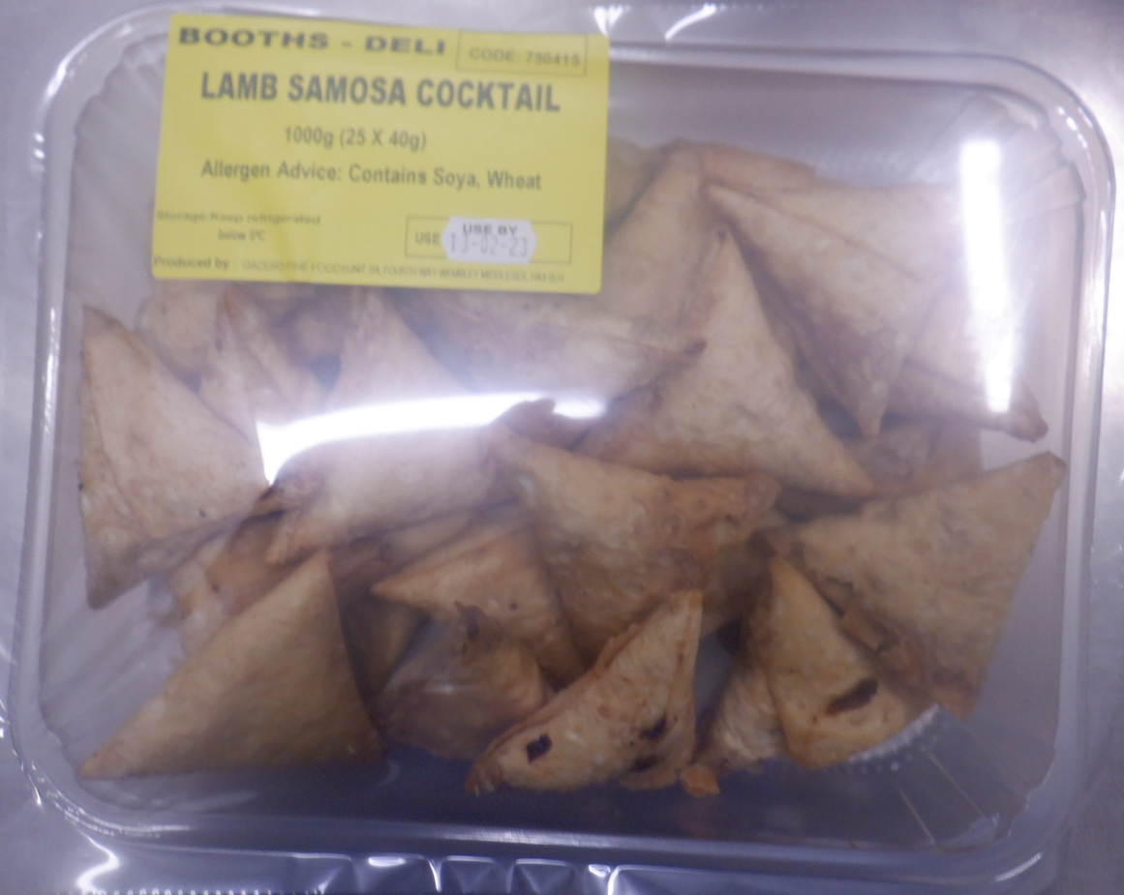 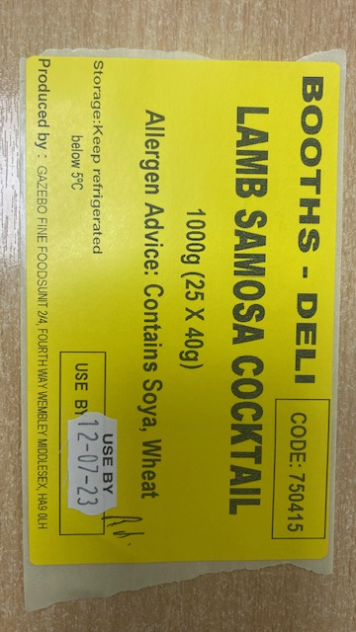

40g X25 units( 1000g) |  |  |  |  | Booths-deli Code:750415 -Lamb samosa cocktail
 |  |  |  |  | Total weight-1000g
ALLERGY ALERT: SOYA, WHEAT

